1.3.20 vs 1.3.21
Priority | 1.3.20 Version | 1.3.21 Version
High | 2 | 6
Medium | 2 | 2
Low | 12 | 15

Bug Delta 1.3.20 VS 1.3.21

IR Remote -Test Cases
Sr No | Scenario | Steps | Test Case | Developer Comments | Pass/Fail | Remarks
1 | On-boarding IR Blaster | Dashboard > Click on Plus Button> Select IR Blaster[Category Other Appliances] | Click on Plus Button User must see Instructions Press the Reset button Hold the reset button on the IR Device for 5 seconds untill the red LED on it is blinking . Then, tap on Continue |  | Pass
 |  | Dashboard > Click on Plus Button> Select IR Blaster | User must able to onboard IR Blaster from Dashboard and Room |  | Pass | On-boarding Journey are similar to our other products like AC , Ref

2 | Dashboard Widget for IR Blaster | Dashboard | Dashboard shows below components on widget 1. IR Blaster Name 2. Room Name with icon 3. Online/Offline Status . Online should be Green dot and Offline should be Gray 4. Instruction for Tab to add remote with icon "Add your "Room Name device remotes here and access them all from a single place " 5. Dashboard widget must be complete Tapable and Tab on it user must land to Setting page selection 6. Widget must need to show Added Remote categories on widget 7. After maximum limit of Remote on widget . it must be show in dot dot .... |  | Pass | Room Name depend on IR Blaster on-boarded Room

3 | Adding AC Remote | Dashboard > Click on IR Blaster Widget | Page must need to display message No remotes added at " Tap on the + button to add your device remotes here and access them all from a single place !" |  | Pass
 |  | Dashboard > Click on IR Blaster Widget | Setting icon on the top right side of the title bar |  | Pass
 |  | Dashboard > Click on IR Blaster Widget > Click on Plus Button | Click on Plus Button must open Bottom Up Sheet shows device categories iike AC , Television and Set Top Box |  | Pass
 |  | Dashboard > Click on IR Blaster Widget > Click on Plus Button >Bottom Sheet Dismissed | User can dismissed IR Blaster Bottom Sheet Android : a. Click outside of Bottom sheet b. Drag down handle c. Press Back Button in Mobile device iOS: a. Click outside of Bottom sheet b. Drag down handle c. Tap on Handle |  | Pass
 |  | Dashboard > Click on IR Blaster Widget > Click on Plus Button> If product categories more than 3 | Click on Plus Button must open Bottom Up Sheet shows device categories iike AC , Television and Set Top Box in one Tab1 and next 3 categories will show below Tab1 |  | Pass
 |  | Dashboard > Click on IR Blaster Widget > Click on Plus Button> Maximum device categoried would be 12 | Click on Plus Button , User must able to see maximum 12 device categories |  | Pass
 |  | Dashboard > Click on IR Blaster Widget > Click on Plus Button> Select Category AC | Application shows below instructions with image for IR Blaster and AC Device Title would be " Explore AC Remotes" and Instruction would be " Explore AC Remotes options and choose the remote that works best with your AC" |  | Pass | Note 1 : User can swipe right or left Note 2 : This is model tour user cannot exit it by Swiping left Note 3: Should not allow exit [Android and iOS]
 |  | Dashboard > Click on IR Blaster Widget > Click on Plus Button> Select Category AC >Swipe Right for next instruction | Application shows below instructions with image for IR Blaster and AC Device Title would be "Ensure No Obstructions" and Instruction would be " Before testing , make sure the IR Blaster is situated witin 12 ft of the AC and there is no obstruction between them" |  | Pass | Note 1 : User can swipe right or left Note 2 : This is model tour user cannot exit it by Swiping left Note 3: Should not allow exit [Android and iOS]
 |  | Dashboard > Click on IR Blaster Widget > Click on Plus Button> Select Category AC >Swipe Right for next instruction | Application shows below instructions with image for IR Blaster and AC Device Title would be "Test Remote Keys" and Instruction would be " Tap on the remote keys to see if your AC is responding to the commands" |  | Pass | Note 1 : User can swipe right or left Note 2 : This is model tour user cannot exit it by Swiping left Note 3: Should not allow exit [Android and iOS]
 |  | Swipe Right Instruction > Click on Start Exploring | Click on Start Exploring , 1. User land to Select AC Remote Page and Page will show a. Disabled Remote image [ if no remote added] 4. Explore Button should be in disabled state [if no remote added] |  | Pass
 |  | Swipe Right Instruction > Click on Start Exploring> Click on Ttile Bar on AC Remote | On Title Bar [Here complete Ttile Bar are Tapable] 1. User land to selection of AC Brand and Model Bottom Sheet 2. Confirm button would be in disabled state 3. Click on AC Brand Drop Down option [Down Arrow Mark] . Brand list will populate 4. Click on AC Model Drop Down option [Down Arrow Mark]. Model list will populate |  | Pass
 |  | Swipe Right Instruction > Click on Start Exploring> Click on Ttile Bar on AC Remote >Select AC Brand and Model Page | User can dismissed Brand and Model Selection Bottom Sheet Android : a. Click outside of Bottom sheet b. Drag down handle c. Tap on Handle d. Press Back Button in Mobile device iOS: a. Click outside of Bottom sheet b. Drag down handle c. Tap on Handle |  | Pass
 |  | Swipe Right Instruction > Click on Start Exploring> Click on Ttile Bar on AC Remote >Select AC Brand and Model Page >Select AC Brand and Model | 1. User can select any brand from populated list 2. User can select any model from populated list 3. After select brand and model . User has to press Confirm button . Remote added to list on Select AC Remote Page 4. User must need to select Brand and Model to enable confirm Button 5. Click on Confirm user land to Select AC Remote page with enabled explore remote button |  | Pass
 |  | Select AC Brand and Model Page >Select AC Brand and Model> Select AC Remote Page | 1. Select Remote Page would show Remote 1 by default selected and User can choose other remotes from the list Remote 1 , Remote 2 ......etc. 2. AC Controls would show in disabled state on Select AC Remote Page 3. After select Remote 1 then AC controls would in enabled with default AC value [All controls must need in Auto Mode like AC Mode , Swings , FAN Mode] 4. Click on Explorer remote , User can see AC Remote with some controls like Power ON/OFF , AC Mode , FAN Mode and Swings [Horizontal and Vertical] 5. On Select AC remote page instruction "Tap on each key to test this remote . if the keys work , Select Remote, else explore other remotes" 6. Instruction shows Circle checkbox with "Dont show this message again." 7. If user select circle checkbox then it fill with Blue colour 8. If user try add another remote then above instruction "Tap on each key to test this remote . if the keys work , Select Remote, else explore other remotes" must not display on Select AC Remote Page |  | Pass
 |  | Select AC Brand and Model Page >Select AC Brand and Model> Select AC Remote Page> Click on Save Remote Button | 1. Click on Save Remote Button , Bottom sheet with Enter Remote Name 2. Save Remote Botton sheet would show icon with Great you found your remote! 3. Please name your selected remote and save it 4. Enter Remote Name Text Box inside Text Enter Remote Name with Astrik 5. Information icon You can always come back to explorer other remote options. 6. User can give any name to Remote upto Min 2 Character and Maximum 20 Characters [Only Alphabets should allow ] and Save Remote button should enable 7. Save Remote Button should be in disable state without entering any alphabets in Name tab 8. User must able to see progress indicator for saving Remote |  | Pass

4 | AC Remote Successfully added | Select AC Brand and Model Page >Select AC Brand and Model> Select AC Remote Page> Click on Save Remote Button | 1. After successful add Remote User must see snackbar with "AC Remote Successfully added" 2. User land to AC IR Blaster page showing controls a. Title Bar shows Online/Offline Status [Online - Green Dot and Offline- Gray Dot] b. Title Bar shows IR Blaster Name c. Temperature Display in Degree Celsius d. Lable Text : Show AC Mode icon with AC Mode Name [Auto , Cool , Dry , FAN] f . Lable Text : Show FAN Mode icon with FAN Mode Name [Low , High , Medium , Auto , Quite] g. Lable Text : Show Vertical Swing icon state with number [ 0 -Auto , 1, 2, 3, 4 ,5] h. Lable Text : Show Horizontal Swing icon state with number [0- Auto , 1 ,2, 3 ,4 ,5] i. Power On/Off button with ON state showing in Blue Colour and Off State showing in Gray Colour j. FAN Mode button with different mode icons in Blue Colour k. Vertical and Horizontal swing with icons l. Temperature change dial [Min 16 Degree and Max 30 Degree] - Capability Driven m. Click on middle of dial AC mode should change from Auto to cool , Dry and FAN Sequence must be Auto , Cool , Dry and FAN n. Three Plus dot to add some more remote options |  | Pass | Current Capability for Swing support ON/OFF

5 | IR Blaster Offline | IR Blaster details page IR Blaster Device goes Offline while user is using the remote. | When IR Blaster Device is Offline, the individual remotes will be visible as offline with an error as mentioned below Connection lost Please check if your IR Blaster device is online DISMISS button |  | Pass | Non Model Error Message

6 | AC Remote Controls States |  | 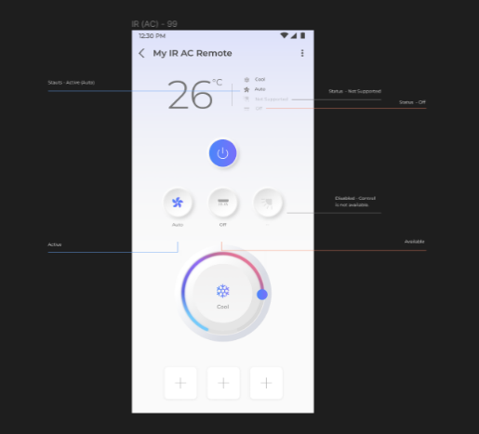 1. Available 2. Active 3. Disabled 4. Unknown |  | Pass | Need to verify control state as per given UI design uploaded on Figma

7 | Change AC Remote | Dashboard > Click on IR Blaster Widget > Select AC Remote | 1. Click on 3 dot icon on the top right side of the AC Remote Page 2. Click on Change remote 3. Follow same steps for adding a remote for AC till start exploring page |  | Pass
 |  |  | Application shows below instructions with image for IR Blaster and AC Device Title would be " Explore AC Remotes" and Instruction would be " Explore AC Remotes options and choose the remote that works best with your AC" |  | Pass | Note 1 : User can swipe right or left Note 2 : This is model tour user cannot exit it by Swiping left
 |  |  | Application shows below instructions with image for IR Blaster and AC Device Title would be "Ensure No Obstructions" and Instruction would be " Before testing , make sure the IR Blaster is situated witin 12 ft of the AC and there is no obstruction between them" |  | Pass | Note 1 : User can swipe right or left Note 2 : This is model tour user cannot exit it by Swiping left
 |  |  | Application shows below instructions with image for IR Blaster and AC Device Title would be "Test Remote Keys" and Instruction would be " Tap on the remote keys to see if your AC is responding to the commands" |  | Pass | Note 1 : User can swipe right or left Note 2 : This is model tour user cannot exit it by Swiping left
 |  |  | Click on Start Exploring , 1. User land to Select AC Remote Page 2. Title Bar on Select AC Remote must be in disable and user should not able to see select brand and model page 3. User must able to see default remote selected after choose earlier .. like for example if Remote1 is already choose and name as Shrikant then once user land to this page default Remote2 will show selected 4. User can able to choose any remote from list and click on Explorer Remote 5. Click on Explorer remote , User can see AC Remote with some controls like Power ON/OFF , AC Mode , FAN Mode and Swings [Horizontal and Vertical] 6. On Select AC remote page instruction "Tap on each key to test this remote . if the keys work , Select Remote, else explore other remotes" 7. Instruction shows Circle checkbox with "Dont show this message again." 8. If user select circle checkbox then it fill with Blue colour 9. If user try add another remote then above instruction "Tap on each key to test this remote . if the keys work , Select Remote, else explore other remotes" must not display on Select AC Remote Page 10. User will see toast message on bottom This is your current remote messgae with x button close it 11. If user click already choose remote then explore AC remote option should not show |  |  | No message for changed remote success
 |  |  | 1. Click on Save Remote Button , Bottom sheet with Enter Remote Name 2. Save Remote Botton sheet would show icon with Great you found your remote! 3. Please name your selected remote and save it 4. Enter Remote Name Text Box inside Text Enter Remote Name with Astrik 5. Information icon You can always come back to explorer other remote options. 6. User can give any name to Remote upto Min 2 Character and Maximum 20 Characters [Only Alphabets should allow ] and Save Remote button should enable 7. Save Remote Button should be in disable state without entering any alphabets in Name tab 8. User must able to see progress indicator for saving Remote 9. After successful change Remote User must see snackbar with "AC Remote Successfully added"

8 | Rename AC Remote | Dashboard > Click on IR Blaster Widget > AC Remote details page | 1. Click on 3 dot icon on the top right side of the AC details page 2. Click on Rename remote 3. On Button up sheet Remote image, Name text field along with Rename and Cancel button 4. Name text field should be allow min 2 to max 20 char 5. Enter Name and click on Rename button 6. Name will updated and reflect |  | Pass

9 | Remove AC Remote | Dashboard > Click on IR Blaster Widget > AC Remote details page | 1. Click on 3 dot icon on the top right side of the AC details page 2. Click on Remove Remote 3. Pop up will appear with Delete icon, Remove Remote? And below info message You will permanently lose access to this remote. Are you sure you want to remove the remote? Yes and No button 4. My AC Remote successfully removed toast message should show with close X button 5. AC Remote should be removed from the list and land to IR Blaster details Page |  | Pass

10 | IR Blaster Setting Page | Dashboard> Click on Setting icon on IR Blaster Details Page | IR Blaster Setting Page must contain below options 1. Rename IR Blaster 2. IR Blaster Brand Name 3. IR Blaster Model Number 4. Rooms Assigned 5. Diagnose device 6. Change WiFi Password 7. Remove device |  | Pass

11 | Rename IR Blaster | Dashboard> Click on Setting icon on IR Blaster Details Page >Rename IR Blaster | 1. Click on pen icon > Edit Name Text show on Title Bar with Back Button 2. Click on Back Button must take user back to IR Blaster Setting Page 2. Name Text show on page and below that Editor Box show 3. User need to input character min 2 and max 20 [Allowed are alphabets] 4. Blank editor Box show save button in disable state . User must have to enter min 2 alphabets to enable save button 5. Click on X Sign on editor box must remove complete input word from editor box 6. After input alphabets and click on save .App show successful message "Device is rename successfully" and User land back to IR Blaster Setting Page |  | Pass

12 | IR Blaster Brand Name | Dashboard> Click on Setting icon on IR Blaster Details Page >IR Blaster Brand Name | IR Blaster Brand Name must be Panasonic |  | Pass

13 | IR Blaster Model Number | Dashboard> Click on Setting icon on IR Blaster Details Page >IR Blaster Model Number | IR Blaster Model Number would be V000.00.00 |  | Pass

14 | IR Blaster Room Assigned | Dashboard> Click on Setting icon on IR Blaster Details Page >IR Blaster Room Assigned | 1. Room assigned option must need to available on IR Blaster Setting Page 2. User can move IR Blaster from one Room to Another Room 3. Click on another room image, IR Blaster moved to new room and user will see successful message "Device is move to the new room!" 4. Click on x icon message should disappear and user would be in IR Blaster setting page |  | Pass

15 | IR Blaster Diagnose Device | Dashboard> Click on Setting icon on IR Blaster Details Page >Diagnose Device | Diagnose Device should mapped to Reonboarding of IR Blaster |  | Pass

16 | IR Blaster Change WiFi Password | Dashboard> Click on Setting icon on IR Blaster Details Page >Change WiFi Password | 1. Title Bar must need to show " Change Password" 2. Change password page must need to show " Update Device" 3. Click on update device will show instruction page and Instruction would be Press the Reset button Hold the reset button on the IR Device for 5 seconds untill the red LED on it is blinking . Then, tap on Continue 4. After successfully search device . Click on Continue . it will take user to enter WiFi Credentials Page .. Here user can enter new WiFi SSID and Password 5. After successful onboard . It will show successful message |  | Pass

17 | IR Blaster Remove Device | Dashboard> Click on Setting icon on IR Blaster Details Page >Remove Device | Click on Remove Device show Remove Device Page with a. Remove Device on Title Bar b. Are you sure you want to remove the device? C. Add your feedback [Text are Tapable and Bold ] in Blue Colour with Clickable option [Here Text are Bold and Blue Circle are tapable] d .Keep my Virtual Remotes on Cloud with Square Box [Here Text are Bold in Blue Colour and Tapable] if you do not select this option , all your virtual remotes will be deleted. e. Continue Button [Blue Highlight and Continue Text in White Colour] f. Cancel Button [in Blue Colour] |  | Pass
 |  |  | Click on Add your feedback shows "Reason for removing the device" like with Remote Buttons a. Do not own the device anymore with remote Buttons b. Device is defective with remote Buttons c. Unable to control the device with remote Buttons d. Other with remote Buttons |  | Pass
 |  |  | User can choose Reason from above four and Select checkbox Keep my virtual Remote on Cloud > Click on Continue button > "IR Blaster Device is sucessfully removed" message would come and User land back to Home Screen |  | Pass
 |  |  | After check select Checkbox for Keep my virtual Remote on Cloud . Below text must not visible " if you do not select this option , all your virtual remotes will be deleted." |  | Pass
 |  |  | User can choose any reason except other and click on continue button > Successful message "IR Blaster Device is sucessfully removed" . |  | Pass
 |  |  | Click on X icon, User will see spinner and land to Dashboard with IR Blaster not showing on Dashboard |  | Pass
 |  |  | For other reason , User can input reason "Please mention the reason you are removing the device" Text Box .. Continue button would be in disable untill not enter any Text |  | Pass
 |  |  | User can remove device without selecting reason for offboard |  | Pass
 |  |  | Click on cancle button user land back to IR Blaster Setting Page |  | Pass

18 | Localization |  | IR Blaster Journey must support localization in Hindi , Marathi , Tamil , Telugu and Bengali |  | Pass

19 | Send your feedback | App Setting Page > Send your Feedback | User able to send feedback for several reasons of IR Blaster like [Unable to on-board etc] |  | Pass

20 | API and MQTT Status Response |  | App must need to show API and MQTT Status in Spinner [Waiting Spiral] if any response time |  | Pass

App tour -Test Cases
Sr. No. | Test Scenarios | Steps | Test Case | Dependency | Remarks | UI Screens | Developer Comments | iOS Pass/Fail
1 | 1. New App Launch 2. User uninstalls the app and Reinstall on the same device 3. Clear data / Cache from OS settings | App launch > App loading screen | 1. App loading screen with MirAIe logo with Connected living text. |  | Loading Screen image after app launch Pixel phones will show 2 screens | 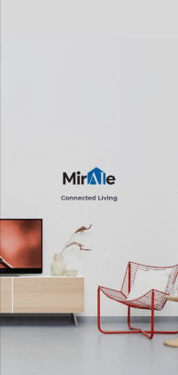 |  | Pass
2 |  | User onboarding screen 1 | Connected Devices Connect all your compatible smart devices with the MirAIe App. (With Graphics image) |  | a. Scrolling screen to right will show scren 2 b. With 1 of 3 highlighted dots | 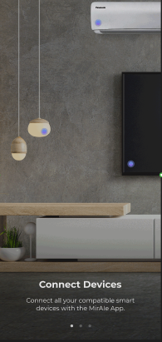 |  | Pass
3 |  | User onboarding screen 2 | Control Appliances Control your devices on the go from the MirAIe App. (With Graphics image) |  | a. Scrolling screen 2 from left side will show screen 1 b. Scrolling screen 2 from right side with move to screen 3 c. With 2 of 3 highlighted dots | 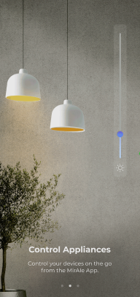 |  | Pass
4 |  | User onboarding screen 3 | Sit back and relax Automate controls, quickly raise service requests and live the MirAIe life. Get Started button (With Graphics image) |  | a. Scrolling screen 3 from left side will show screen 2 b. With 3 of 3 highlighted dots | 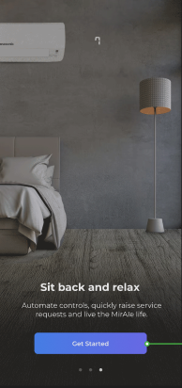 |  | Pass
5 | Login / Sign up screen after user clicks on Get started button | User can able to see Login/Sign up and Forgot password? Details on the screen | User will land to Login/Sign up screen after App tour ends |  | Normal journey will continue for Login / Sign up |  |  | Pass
6 | First time user sign up journey | Click on Sign up > Enter mobile / email and registered | User will land to setup Home details page after successfully completed sign up for new user |  | In previous implement user land to App tour journey after new register successful |  |  | Pass

7 | From the App Setting Screen | App launch > User Login > Go to app settings screen > Click on Welcome To MirAIe option | User able to click on Welcome to MirAIe option from app setting screen |  |  | 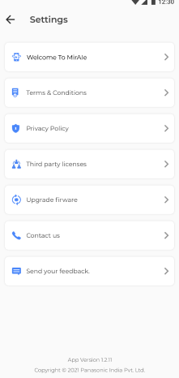 |  | Pass
8 |  | App launch > User Login > Go to app settings screen > Click on Welcome To MirAIe option > App Tour - Slide 1 | a. Connected Devices Connect all your compatible smart devices with the MirAIe App. b. Navigate back to app setting screen if user clicks on Back button on the top left hand corner. (With Graphics image) |  | a. Scrolling screen to right will show scren 2 b. With 1 of 3 highlighted dots | 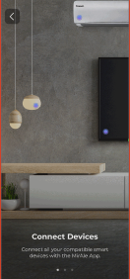 |  | Pass
9 |  | App launch > User Login > Go to app settings screen > Click on Welcome To MirAIe option > App Tour - Slide 2 | a. Control Appliances Control your devices on the go from the MirAIe App. b. Navigate back to app setting screen if user clicks on Back button on the top left hand corner. (With Graphics image) |  | a. Scrolling screen 2 from left side will show screen 1 b. Scrolling screen 2 from right side with move to screen 3 c. With 2 of 3 highlighted dots | 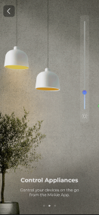 |  | Pass
10 |  | App launch > User Login > Go to app settings screen > Click on Welcome To MirAIe option > App Tour - Slide 3 | a. Sit back and relax Automate controls, quickly raise service requests and live the MirAIe life. b. Navigate back to app setting screen after user move screen to right. c. Navigate back to app setting screen if user clicks on Back button on the top left hand corner. (With Graphics image) |  | a. Scrolling screen 3 from left side will show screen 2 b. With 3 of 3 highlighted dots | 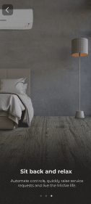 |  | Pass
11 |  | App launch > User Login > Go to app settings screen > Click on Welcome To MirAIe option > App Tour ends > Click on back button | Navigate back to app setting screen after App Tour ends screen by clicking on back button |  | Clicks back button user will land to App setting screen | UI Team need to provide Done or close option |  | Pass

12 | Kill the app in between app tour after app launch. | App launch > App tour slides | Only after the screens are completely shown, it will be remembered and not shown again in the next launch. If user has not seen them completely, it has to show up again |  | The goal is user should see it atleast once completely |  |  | Pass

Srilanka User
Sr No | Scenario | Expected Result | Pass/Fail | Remarks
1 | Srilanka User >Login [Primary Login :Mobile Number} | Login must be Successful | Pass
2 | Login- Srilanka User [Primary : Email ID} | Login must be Successful | Pass
3 | Login with non-verifed username | Invalid username or password . Please use verifed credentials Only | Pass
4 | Sri Lanka user>Sign Up | Sign up must be successful and User must be able to login with registered credentials | Pass | sriuser1.3.21@yopmail.com / Pana@1234
5 | Sri Lanka user> Sign Up > Accept and Not Now | Click on Accept user must see App tour with Skip and Swipe App Tour | Pass
6 | Sri Lanka user> Sign Up > Accept and Not Now > App Tour>Add Device | Click on Add Device User must able to see Onboarding for Air Conditioner | NA
7 | Sri Lanka user > Forgot Password | User must able to change password using forgot Password Journey | Pass
8 | Login Sri Lanka User >Profile >MirAIe Tab | Name , Email ID [Verified or Verify] , Mobile No [Verified or Verfiy] , Home , Update Location ,Change language , Change Password , Logout | Pass
9 | Login Sri Lanka User >Profile >others | Link Alexa Account | NT
10 | Login Sri Lanka User >Profile>MirAie Tab>Change language | English (Default), Tamil | Pass
11 | Login Sri Lanka User>Profile>MirAie Tab>Change language to Tamil | 1. App language change to Tamil 2. No font change 3. No Boxed icons | Pass | Observed font size change for Tamil to English . It is change to after relaunch Application
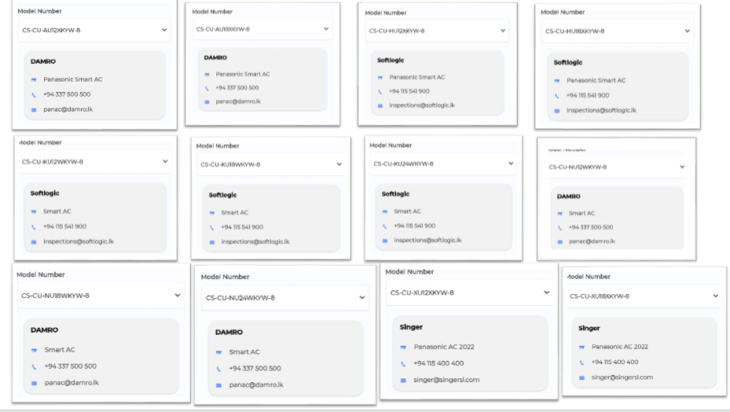
12 | Login Sri Lanka User >Setting | App Tour , Terms & Conditions , Privacy Policy , Third Party Licenses , Upgrade Firmware , Contact Us , Send your Feedback | Pass
13 | Login Sri Lanka User >Setting>Upgrade Firmware |  |  | Feature not available for iOS
14 | Login Sri Lanka User >Setting >Contact Us | Support Models must show with distributor details | Pass
15 | Login Sri Lanka User >Click on "+" Button in Dashboard | Must Support Air Conditioner | Pass
16 | Login Sri Lanka User >Click on "+" Button in Room | Must Support Air Conditioner | Pass
17 | Login Sri Lanka User > On-boarding for Some Appliance from Dashboard | On-boarding must be successful | Pass | Done for AC
18 | Login Sri Lanka User > On-boarding for Some Appliance from Room | On-boarding must be successful and Device must listed in that particular ROOM | Pass | Done for AC
19 | Login Sri Lanka User >Click on ROOM >Device listing in ROOM | In ROOM , AC must show | Pass
20 | Login Sri Lanka User> Control AC from Dashboard | Control Power ON / Off , Change mode for AC -Auto , Cool , Dry , FAN , Change temperature from Min 16 to max 30 , Online and Offline Status with Green Dot | Pass
21 | Login Sri Lanka User > Control AC from AC Details Page | Control Power ON / Off , Change mode for AC -Auto , Cool , Dry , FAN , Change temperature from Min 16 to max 30 , Change FAN Speed from Auto , high , low , medium and quiet , Enable /Disable AC Display , Enable/Disable Jetstream/Powerful Mode , Change Vertical Swing from 0 to 5 level , Change Horizontal Swing from 0 to 5 level , Change , Enable/Disable nanoe , Enable/Disable Econavi , Enable/Disable Clean Mode | Pass
22 | Login Sri Lanka User> Control AC from AC Details Page >Default /Custom Sleep Profile | 1. Enable/Disable Default Profile 2. Create Custom Profile [2 Minimum Hours and 8 Maximum Hour] 3. Enable and Disable Custom profile | Pass
23 | Login Sri Lanka User > Control AC from AC Details Page >ON Timer and OFF Timer | Timer ON - Switch ON AC Timer OFF - Switch OFF AC | NT | HAMCU not supported
24 | Login Sri Lanka user > Select Any product > go to setting page > Click on Remove Device [offboarding Product] | User must not able to see product in dashboard after offboarding | Pass
25 | Login Sri Lanka User> Control All Onboarded device from Room | User must able to control device | Pass

Push Notification
Product / Feature | Use Case | Notifications Contents | Landing Page | Pass/Fail
Refrigerator | Fridge/Freezer Door Open | Title Fridge/Freezer Door Open Body Your fridge/freezer door is open. Please ensure to close the door firmly and protect your food from spoiling. | Refrigerator Details Page | Pass
Refrigerator | Power Outage | Title Power Outage Body Your refrigerator power supply was interrupted. Check the quality of Refrigerator content before consuming. | Refrigerator Details Page | Pass
Airconditioner , Smart Profile | Rule Notification for AC and Smart Profile | Title Rule activation successful Body Rule '<ruleName>' activated successfully. Tap to see the rule. | Sleep Profile page | Pass
Washing Machine -FLWM | Washing Completed | Title Washing Completed Body Washing completed. Please do not keep washed out clothes for long in the washing machine. | Wash Progress Page | Pass
Washing Machine -FLWM | Washing Paused/Stopped | Title Washing Completed Body <Device Name>: Current wash cycle is paused/Stopped | Wash Progress Page | Pass
Washing Machine -TLWM | Washing Completed | Title Washing Completed Body Washing completed. Please do not keep washed out clothes for long in the washing machine. | Wash Progress Page | Pass
Washing Machine -TLWM | Washing Paused/Stopped | Title Washing Paused/Stopped Body <Device Name>: Current wash cycle is paused/Stopped | Wash Progress Page | Pass
Washing Machine -TLWM | Washing Paused -Auto Pause [After Soak] | Title Washing Paused Body <Device Name>: paused After Soak | Wash Progress Page | Pass
Washing Machine -TLWM | Washing Paused -Auto Pause [After Wash] | Title Washing Paused Body <Device Name>: paused After Wash | Wash Progress Page | Pass
Washing Machine -TLWM | Washing Paused -Auto Pause [After Rinse 1] | Title Washing Paused Body <Device Name>: paused After Rinse 1 | Wash Progress Page | Pass
Washing Machine -TLWM | Washing Paused -Auto Pause [Before last Rinse] | Title Washing Paused Body <Device Name>: paused Before Last Rinse | Wash Progress Page | Pass
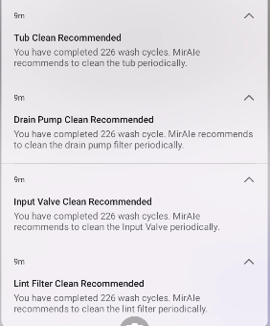
Washing Machine -TLWM | Drain Pump Clean Recommended | Title Drain Pump Clean Recommended Body You have completed … wash cycle. MirAIe recommends to clean the drain pump filter periodically. | Landing Page [Home Screen] | NT
Washing Machine -TLWM | Tub Clean Recommended | Title Tub Clean Recommended Body You have completed… wash cycle . MirAIe recommends to clean the Tub periodically. | Landing Page[Setting>Clean Tub] | NT
Washing Machine -TLWM | Input Valve Clean Recommended | Title Input Valve Clean Recommended Body You have completed.. Wash cycle. MirAie recommended to clean the Input Valve periodically. | Landing Page[Setting>Clean Input Valve] | NT
Washing Machine -TLWM | Lint filter Clean Recommended | Title Lint filter Clean Recommended Body You have completed.. Wash cycle. MirAie recommended to clean the lint filter periodically. | Landing Page[Setting>Clean Lint Fitler] | NT
VDP | Bell Ring | Title Button Pressed Body Some rang the front door bell .Tap to know who | VDP Details Page | NT
VDP | Motion Detection | Title Pir Triggered Body A motion is detected by your door bell | VDP Details Page | NT
VDP | Battery Low | Title Battery Low Body Your door bell is discharging fast. Please plug it to a power source to avoid disconnection . | VDP Details Page | NT
VDP | Temper Alert | Title Temper Alert! Body Your door bell is being removed, if its not you then someone is trying to temper . | VDP Details Page | NT
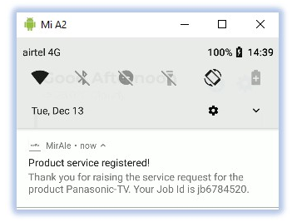 E-Warranty | Raise a Service Request | Title Product service registered! Body Thank you for raising the service request for the product Panasonic TV . Your Job id is jd6784520 | Home/Dashboard | Fail
E-Warranty | Warranty Expiry | Title Warranty expiring soon... Body Warranty on your Product Model:Panasonic CU-YN18WKYM with Serial No : SN777XXXXXXXXXXX is expiring 31/12/2022 . Extend your warranty to enjoy the hassle free experience. | Home/Dashboard | NT
E-Warranty | Product Registration | Title Product registered! Body Your Product Model CU-YN18WKYM with Serial No : SNXXXXXXXXXX is registered with us. | Home/Dashboard | Pass
E-Warranty | Product Birthday reminder | Title Best wishes! Body Happy birthday to your Product Model> Panasonic CU-YN18WKYM with Serial No: SNXXXXXXXXXX. | Home/Dashboard | NT

